Introduction
UpReach Bootcamp

Welcome to the Excel portion of the Bootcamp challenge!

It is likely that most of you have heard of Excel and many have or are currently using it on a regular basis.
Organisation, personal accounting, planning, and just ad hoc calculations you do once in a blue moon are all examples of how this tool can be used.
What many often don’t appreciate is that our financial system and many parts attached to it actually depend heavily on Excel.

As a data analyst, many jump to disregard Excel and claim it is not "true data analytics" however, Excel is extremely powerful and can actually do many things that many assume only a programming language like Python can do.

Today, we hope to give you a flavor of what Excel can do and give you a preview of what Data Analysts do on a regular, if not daily, basis.

Part 1: Cleaning

A very useful application of Excel is data cleaning (performing adjustments and corrections to a dataset to ensure it can be used easily and the information from it can be extracted accurately)
Below you will find a rough client email, not uncommon to what we see at JMAN, with action points, suggestions, and notes on the data in this sheet.

Core:
Please action these points and clean up that data!

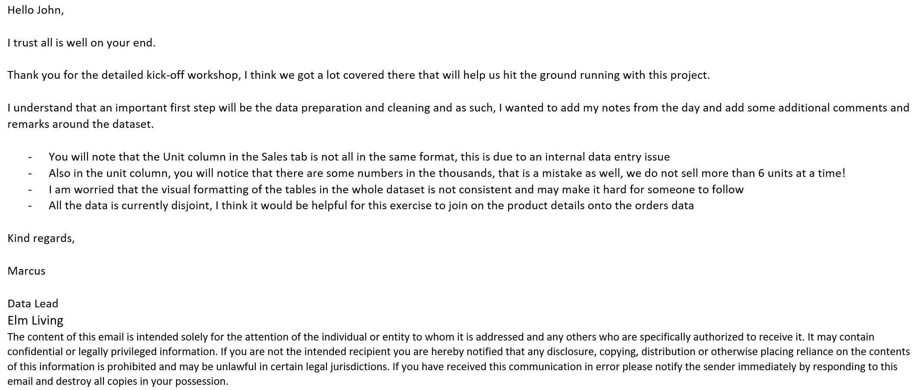

Often, data analysts have to translate "human" language into computer logic and operations.

This email can be decyphered or translated as follows

1. In the "Sales" tab, fix the unit column to be of the same type, number
2. In the same column as in 1., find and replace the values that are in thousands, 1000 --> 1
3. Can you fix up the appearance of the tables to ensure they are consistent and easy to read.
4. Map the store names, issues, and promotions onto the Sales tab
- For this we will use Index-Match, let's walk through it

=INDEX(array, MATCH(lookup_value, lookup_array, [match_type]), [column_num])

The first part of this is the INDEX function which returns the value we want from a selected array/table
The part inside this function, MATCH, is the one that maps the correct values to the positions in the lookup table

For store names what we would do is the following

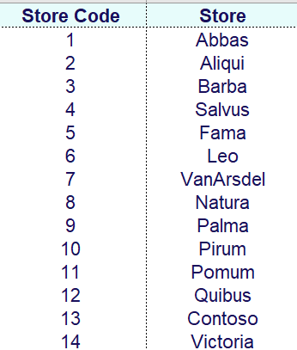
 |  | Our code is "Store Code" and the value we want to return is "Store"

 |  | In the sales tab, we only have the "Store Code", we need to create a new column that would list the store name

 |  | The INDEX-MATCH above would form as follows

 |  | The array portion would be "A2:B15", don’t forget absolute cell referencing

 |  | The look up value from the Sales table is just the number in column B, so lets take the first row as an example, we have B2

 |  | The lookup array can be just the "Store Code" column as we don’t need the whole table, so we can use "A2:A15"

 |  | The column num we want is 2 as that is the column that contains the names

Perform an Index Match for the promotions and issues, please try adding error handling in the form of IFERROR()

Part 2: Insights

The job of a data analyst is not just to clean data, but to use it to extract business specific insights!
For example, a clothes store may have perfect data on what their customers order which is great news for their financial team. However, a data analyst could come in and see what products are performing the best, which can be targeted by their advertising team.

Core:
The client would like you to look into the following four insights:

1. Find the top 3 products by sales volume
2. What is the top product category
3. Seasonality - what trends can you observe in the product buying patterns (e.g. is the kitchen more popular in the summer or winter months)
4. What are the most common issues reported by the customers?

Extra:
Can you pull out any extra insights for the client? Use your initiative to pull out an insight the client could action.

Part 3: Summary for Power Point

Arguably the most importart part of the process, presenting your findings.
This part is completely up to you, gather your insights and present them to the client in the form of a Powerpoint.
Some top tips:

 | Make sure your data can be seen
 | Focus on the key points of your data
 | Write a slide title that reinforces the data's insight

